README
INTRODCUTION
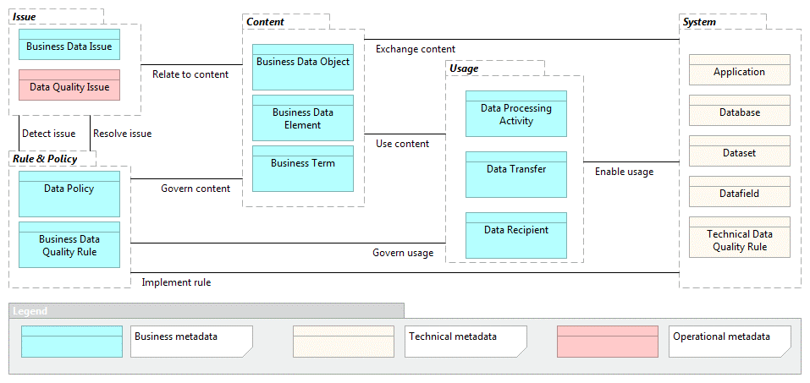 This document is an extension to the AXA Metadata Management paper. The paper covers: - Why metadata management now - What are the priorities and key assets to be documented at AXA - How it can be achieved by summarizing key business and IT functions to be implemented - With what, by providing a tool selection framework to evaluate the solutions available on the market This document provides a template for the entities that do not currently manage their metadata or are at the initial phase of setting up the business and IT functions to do so. The primary intent is to help the entities at the begining of their journey to: - Get familiar with the key metadata assets as defined in the AXA Data Management Information model - Understand how the metadata assets can be associated to bring more value - Get a sense of the manual effort and challenges to collect, document and maintain metadata documentation overtime. It will also benefit moving forward the entities in their tool selection process with a clear vision of what can be automated with the support of the tool and will remain manual endeavors.

